Sheet1
By @Levi.io
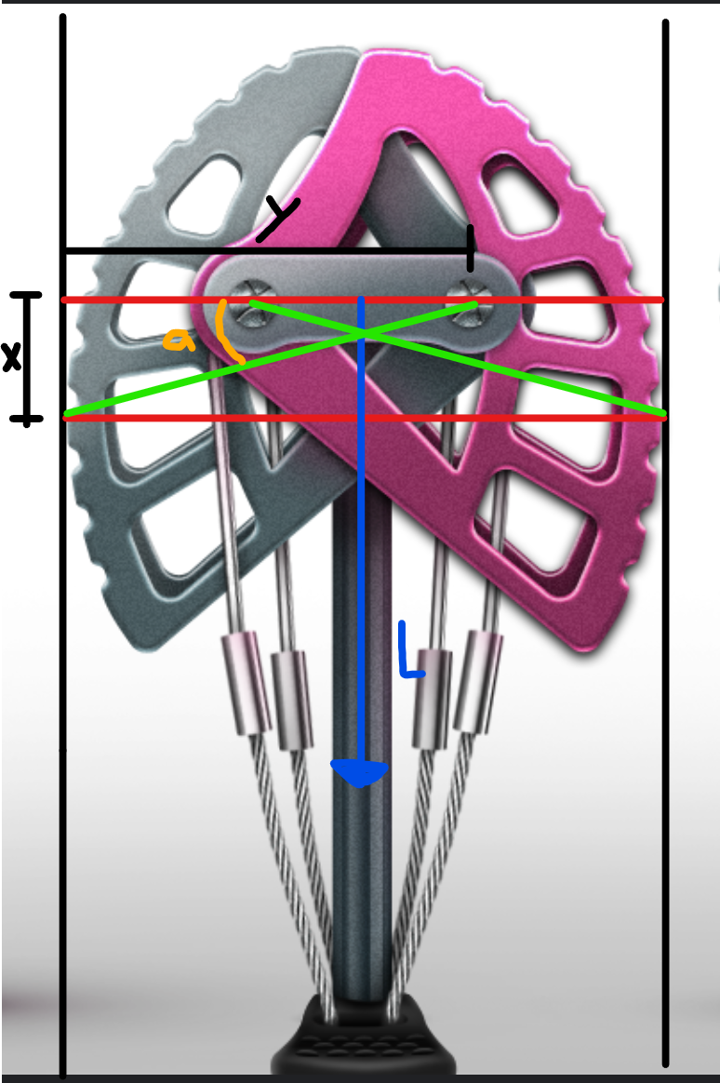
 | Inputs |  | Notes:
 | X (mm)= | 10 | Vertical distance from the cam pivot to the lobe contact point
 | Y (mm)= | 37 | Horizontal distance from the cam pivot to the lobe contact point
 | L (kN)= | 4 | Tension load on the cam
 | a (deg)= | 14.5 | Cam angle -- if known

 | Outputs |  | Notes:
 | a (deg)= | 14.5
 | F (kN) = | 7.73 | Total outwards force
 | Ratio = | 1.93 | Ratio between tension and outwards force

 |  |  | Overall Notes:
 |  |  | This calculator will work for both single and double pivot cams, the math doesn’t change. I suspect that the angle will not change very much between manufactures, and it shouldn’t change with the width of the cam. This leads me to guess that it makes no difference if the cam is fully extended or retracted. This math is very sensitive to measurement errors in measuring X and Y as I suspect finding the exact contact point will be difficult to do with high precision. This will also work for an Angel Cam as all it does is vary the distance between the cam lobes which does not affect the cam profile. just measure from the lobe pivot point and ignore the rest of the cam.

 |  |  | It is often possible to look up the camming angle by manufacturer (Black Diamond is 14.5 for C4's, Wildcountry seems to be 13.75)

